10x100
 | Random |  | Greedy |  | Toyoda |  |  | t (ms) avg | Δ avg | Deviation |  | Time |  | Time |  |  | Deviation
Instance | t (ms) | Δ avg | t (ms) | Δ | t (ms) | Δ | Random | 0.0281 | 18.31 | random | 24.70 | random | 0.0296 | Random | Greedy | Toyoda | Random | Greedy | Toyoda
OR10x100-0.25_1 | 0.0296 | 24.70 | 0.0425 | 14.13 | 1.3686 | 4.80 | Greedy | 0.0353 | 9.44 | random | 28.52 | random | 0.0296 | 0.0296 | 0.0425 | 1.3686 | 24.70 | 14.13 | 4.80
OR10x100-0.25_2 | 0.0296 | 28.52 | 0.0377 | 23.90 | 1.0461 | 6.12 | Toyoda | 0.5296 | 3.56 | random | 27.92 | random | 0.0296 | 0.0296 | 0.0377 | 1.0461 | 28.52 | 23.90 | 6.12
OR10x100-0.25_3 | 0.0296 | 27.92 | 0.0363 | 21.88 | 0.6714 | 7.62 |  |  |  | random | 24.58 | random | 0.0284 | 0.0296 | 0.0363 | 0.6714 | 27.92 | 21.88 | 7.62
OR10x100-0.25_4 | 0.0284 | 24.58 | 0.0361 | 9.66 | 0.4192 | 8.96 |  |  |  | random | 27.30 | random | 0.0270 | 0.0284 | 0.0361 | 0.4192 | 24.58 | 9.66 | 8.96
OR10x100-0.25_5 | 0.0270 | 27.30 | 0.0371 | 11.45 | 0.4584 | 8.28 |  |  |  | random | 23.94 | random | 0.0265 | 0.0270 | 0.0371 | 0.4584 | 27.30 | 11.45 | 8.28
OR10x100-0.25_6 | 0.0265 | 23.94 | 0.0346 | 14.87 | 0.4244 | 3.41 |  |  |  | random | 26.45 | random | 0.0284 | 0.0265 | 0.0346 | 0.4244 | 23.94 | 14.87 | 3.41
OR10x100-0.25_7 | 0.0284 | 26.45 | 0.0347 | 14.65 | 0.4183 | 6.39 |  |  |  | random | 27.40 | random | 0.0279 | 0.0284 | 0.0347 | 0.4183 | 26.45 | 14.65 | 6.39
OR10x100-0.25_8 | 0.0279 | 27.40 | 0.0344 | 12.71 | 0.4222 | 6.07 |  |  |  | random | 27.02 | random | 0.0271 | 0.0279 | 0.0344 | 0.4222 | 27.40 | 12.71 | 6.07
OR10x100-0.25_9 | 0.0271 | 27.02 | 0.0346 | 14.08 | 0.5345 | 5.85 |  |  |  | random | 26.16 | random | 0.0284 | 0.0271 | 0.0346 | 0.5345 | 27.02 | 14.08 | 5.85
OR10x100-0.25_10 | 0.0284 | 26.16 | 0.0349 | 19.58 | 0.4363 | 2.92 |  |  |  | random | 18.26 | random | 0.0278 | 0.0284 | 0.0349 | 0.4363 | 26.16 | 19.58 | 2.92
OR10x100-0.50_1 | 0.0278 | 18.26 | 0.0349 | 7.77 | 0.5445 | 2.74 |  |  |  | random | 16.93 | random | 0.0278 | 0.0278 | 0.0349 | 0.5445 | 18.26 | 7.77 | 2.74
OR10x100-0.50_2 | 0.0278 | 16.93 | 0.0350 | 6.38 | 0.6018 | 2.77 |  |  |  | random | 17.79 | random | 0.0277 | 0.0278 | 0.0350 | 0.6018 | 16.93 | 6.38 | 2.77
OR10x100-0.50_3 | 0.0277 | 17.79 | 0.0349 | 9.65 | 0.4765 | 1.80 |  |  |  | random | 18.46 | random | 0.0284 | 0.0277 | 0.0349 | 0.4765 | 17.79 | 9.65 | 1.80
OR10x100-0.50_4 | 0.0284 | 18.46 | 0.0345 | 8.90 | 0.5709 | 4.21 |  |  |  | random | 18.14 | random | 0.0277 | 0.0284 | 0.0345 | 0.5709 | 18.46 | 8.90 | 4.21
OR10x100-0.50_5 | 0.0277 | 18.14 | 0.0351 | 9.43 | 0.4661 | 2.40 |  |  |  | random | 17.75 | random | 0.0267 | 0.0277 | 0.0351 | 0.4661 | 18.14 | 9.43 | 2.40
OR10x100-0.50_6 | 0.0267 | 17.75 | 0.0349 | 10.27 | 0.4740 | 2.70 |  |  |  | random | 18.29 | random | 0.0282 | 0.0267 | 0.0349 | 0.4740 | 17.75 | 10.27 | 2.70
OR10x100-0.50_7 | 0.0282 | 18.29 | 0.0347 | 6.77 | 0.4519 | 1.51 |  |  |  | random | 17.90 | random | 0.0281 | 0.0282 | 0.0347 | 0.4519 | 18.29 | 6.77 | 1.51
OR10x100-0.50_8 | 0.0281 | 17.90 | 0.0349 | 4.82 | 0.4365 | 3.35 |  |  |  | random | 20.17 | random | 0.0290 | 0.0281 | 0.0349 | 0.4365 | 17.90 | 4.82 | 3.35
OR10x100-0.50_9 | 0.0290 | 20.17 | 0.0348 | 9.28 | 0.4445 | 1.47 |  |  |  | random | 16.84 | random | 0.0275 | 0.0290 | 0.0348 | 0.4445 | 20.17 | 9.28 | 1.47
OR10x100-0.50_10 | 0.0275 | 16.84 | 0.0347 | 8.54 | 0.4218 | 2.85 |  |  |  | random | 10.63 | random | 0.0277 | 0.0275 | 0.0347 | 0.4218 | 16.84 | 8.54 | 2.85
OR10x100-0.75_1 | 0.0277 | 10.63 | 0.0346 | 4.73 | 0.6244 | 1.87 |  |  |  | random | 10.77 | random | 0.0270 | 0.0277 | 0.0346 | 0.6244 | 10.63 | 4.73 | 1.87
OR10x100-0.75_2 | 0.0270 | 10.77 | 0.0347 | 5.37 | 0.5616 | 2.44 |  |  |  | random | 10.51 | random | 0.0280 | 0.0270 | 0.0347 | 0.5616 | 10.77 | 5.37 | 2.44
OR10x100-0.75_3 | 0.0280 | 10.51 | 0.0346 | 4.40 | 0.4583 | 2.00 |  |  |  | random | 9.29 | random | 0.0286 | 0.0280 | 0.0346 | 0.4583 | 10.51 | 4.40 | 2.00
OR10x100-0.75_4 | 0.0286 | 9.29 | 0.0349 | 3.65 | 0.4555 | 4.41 |  |  |  | random | 11.70 | random | 0.0277 | 0.0286 | 0.0349 | 0.4555 | 9.29 | 3.65 | 4.41
OR10x100-0.75_5 | 0.0277 | 11.70 | 0.0347 | 3.38 | 0.4497 | 0.98 |  |  |  | random | 10.06 | random | 0.0274 | 0.0277 | 0.0347 | 0.4497 | 11.70 | 3.38 | 0.98
OR10x100-0.75_6 | 0.0274 | 10.06 | 0.0348 | 4.57 | 0.4469 | 1.41 |  |  |  | random | 10.37 | random | 0.0279 | 0.0274 | 0.0348 | 0.4469 | 10.06 | 4.57 | 1.41
OR10x100-0.75_7 | 0.0279 | 10.37 | 0.0344 | 4.63 | 0.4569 | 1.61 |  |  |  | random | 9.74 | random | 0.0292 | 0.0279 | 0.0344 | 0.4569 | 10.37 | 4.63 | 1.61
OR10x100-0.75_8 | 0.0292 | 9.74 | 0.0349 | 6.01 | 0.4532 | 1.46 |  |  |  | random | 10.80 | random | 0.0294 | 0.0292 | 0.0349 | 0.4532 | 9.74 | 6.01 | 1.46
OR10x100-0.75_9 | 0.0294 | 10.80 | 0.0345 | 4.53 | 0.4399 | 2.01 |  |  |  | random | 11.01 | random | 0.0294 | 0.0294 | 0.0345 | 0.4399 | 10.80 | 4.53 | 2.01
OR10x100-0.75_10 | 0.0294 | 11.01 | 0.0356 | 3.17 | 0.4542 | 2.28 |  |  |  | greedy | 14.13 | greedy | 0.0425 | 0.0294 | 0.0356 | 0.4542 | 11.01 | 3.17 | 2.28
 |  |  |  |  |  |  |  |  |  | greedy | 23.90 | greedy | 0.0377
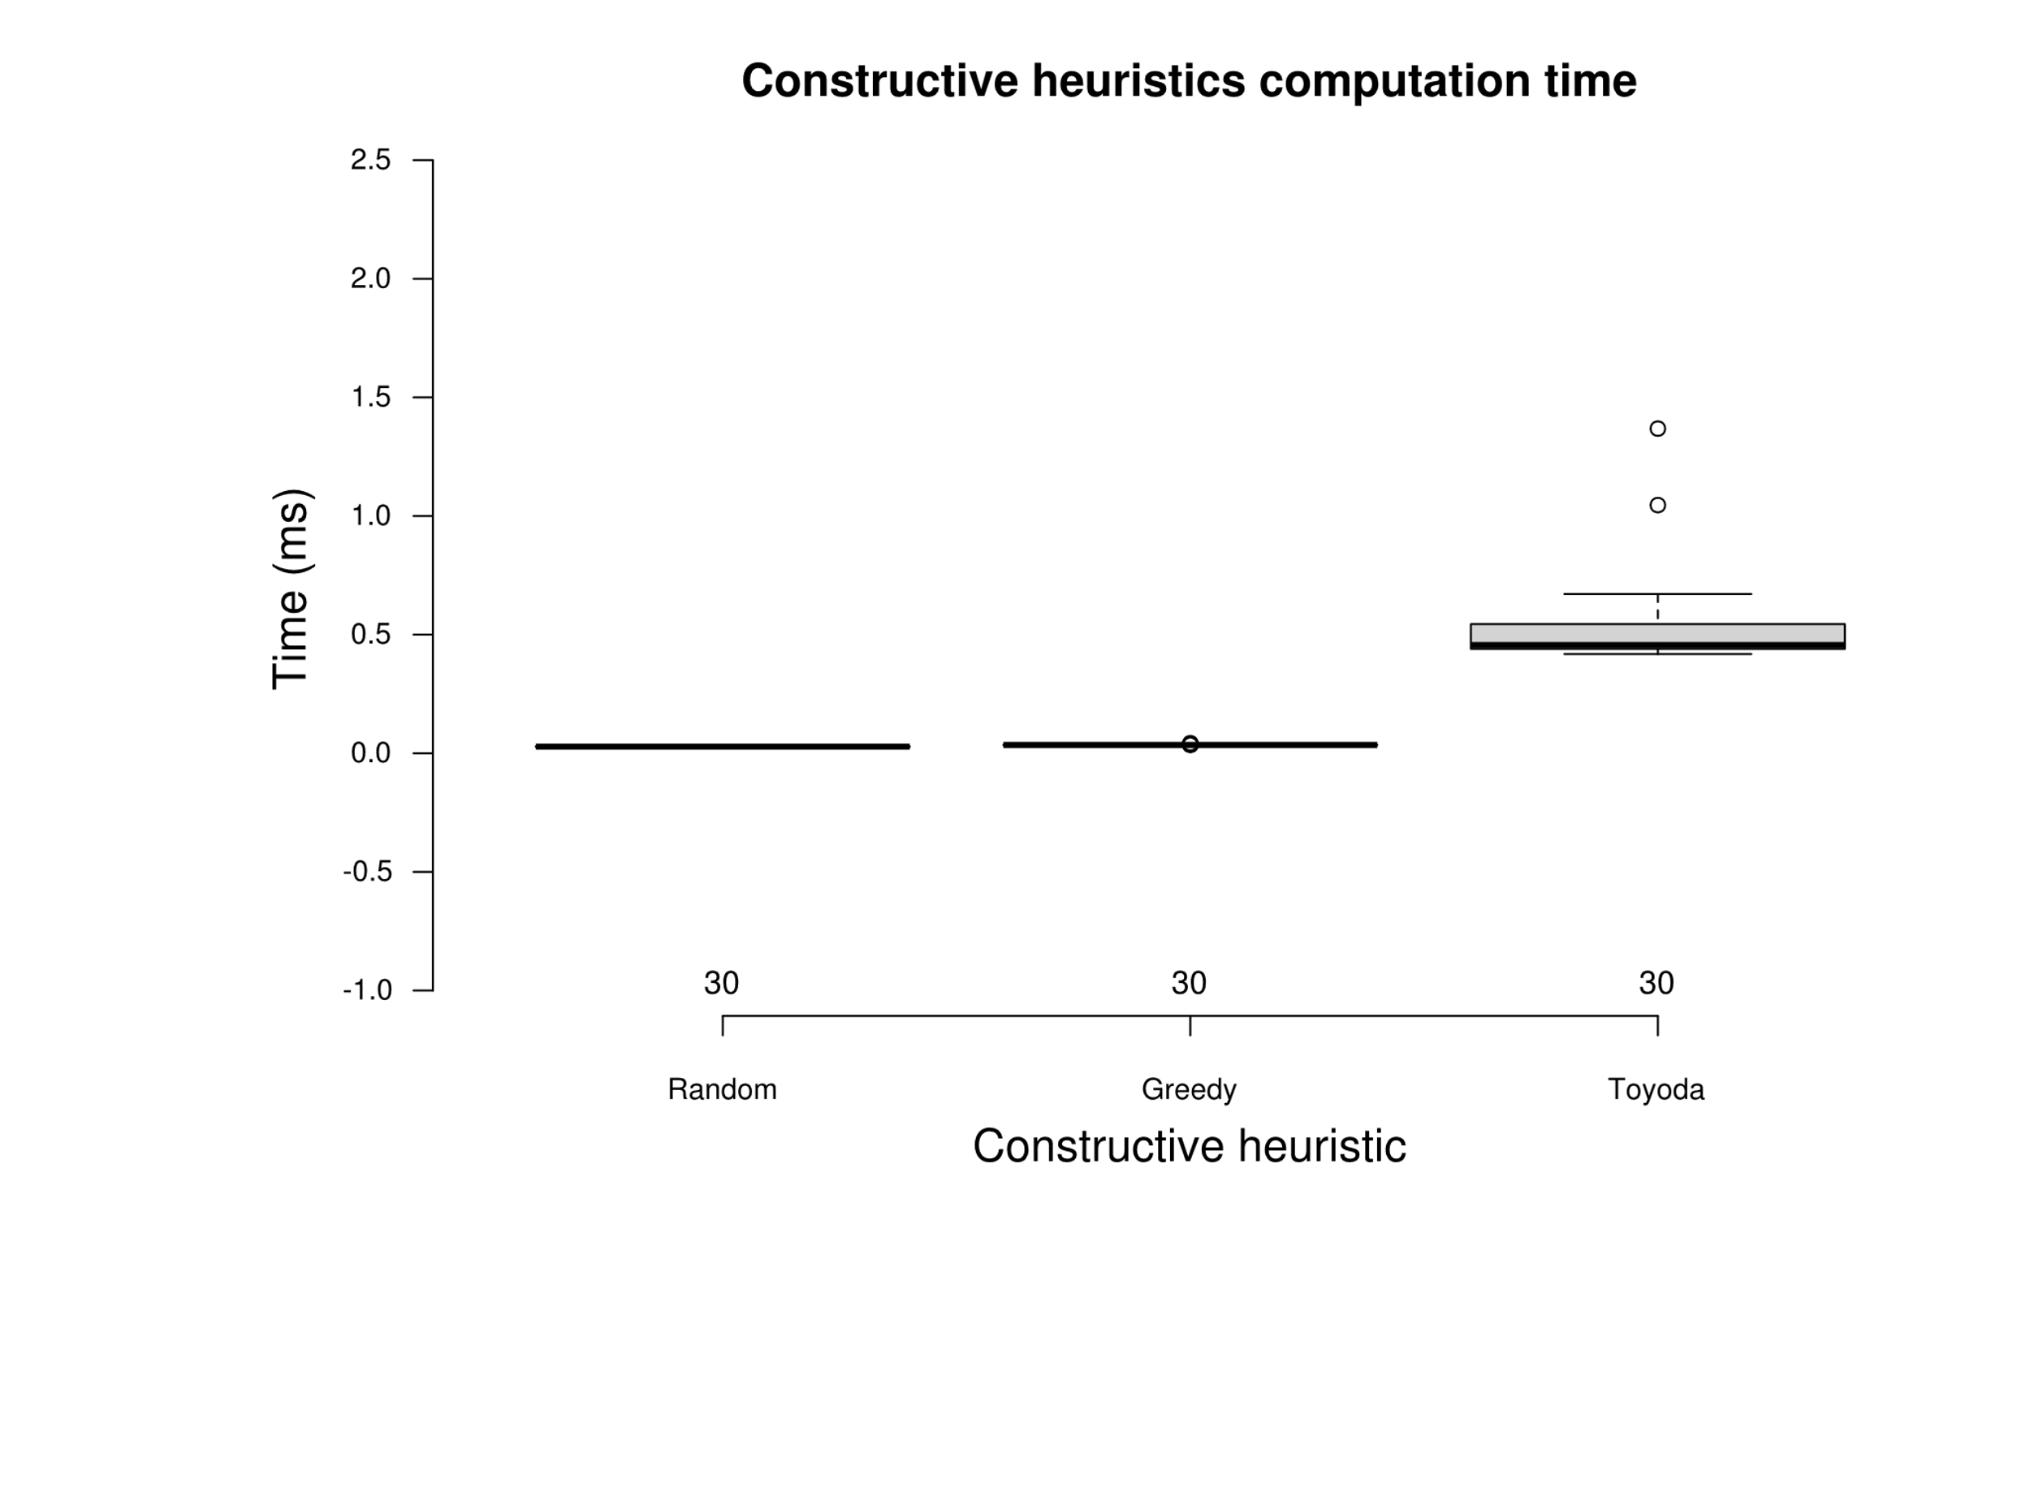
 |  |  |  |  |  |  |  |  |  | greedy | 21.88 | greedy | 0.0363
 |  |  |  |  |  |  |  |  |  | greedy | 9.66 | greedy | 0.0361
 |  |  |  |  |  |  |  |  |  | greedy | 11.45 | greedy | 0.0371
 |  |  |  |  |  |  |  |  |  | greedy | 14.87 | greedy | 0.0346
 |  |  |  |  |  |  |  |  |  | greedy | 14.65 | greedy | 0.0347
 |  |  |  |  |  |  |  |  |  | greedy | 12.71 | greedy | 0.0344
 |  |  |  |  |  |  |  |  |  | greedy | 14.08 | greedy | 0.0346 |  |  |  |  |  |  |  | greedy | random
 |  |  |  |  |  |  |  |  |  | greedy | 19.58 | greedy | 0.0349 |  |  |  |  |  |  | random | 8.40E-11 | -
 |  |  |  |  |  |  |  |  |  | greedy | 7.77 | greedy | 0.0349 |  |  |  |  |  |  | greedy | 8.60E-11 | 8.90E-11
 |  |  |  |  |  |  |  |  |  | greedy | 6.38 | greedy | 0.0350
 |  |  |  |  |  |  |  |  |  | greedy | 9.65 | greedy | 0.0349
 |  |  |  |  |  |  |  |  |  | greedy | 8.90 | greedy | 0.0345
 |  |  |  |  |  |  |  |  |  | greedy | 9.43 | greedy | 0.0351
 |  |  |  |  |  |  |  |  |  | greedy | 10.27 | greedy | 0.0349
 |  |  |  |  |  |  |  |  |  | greedy | 6.77 | greedy | 0.0347
 |  |  |  |  |  |  |  |  |  | greedy | 4.82 | greedy | 0.0349
 |  |  |  |  |  |  |  |  |  | greedy | 9.28 | greedy | 0.0348
 |  |  |  |  |  |  |  |  |  | greedy | 8.54 | greedy | 0.0347
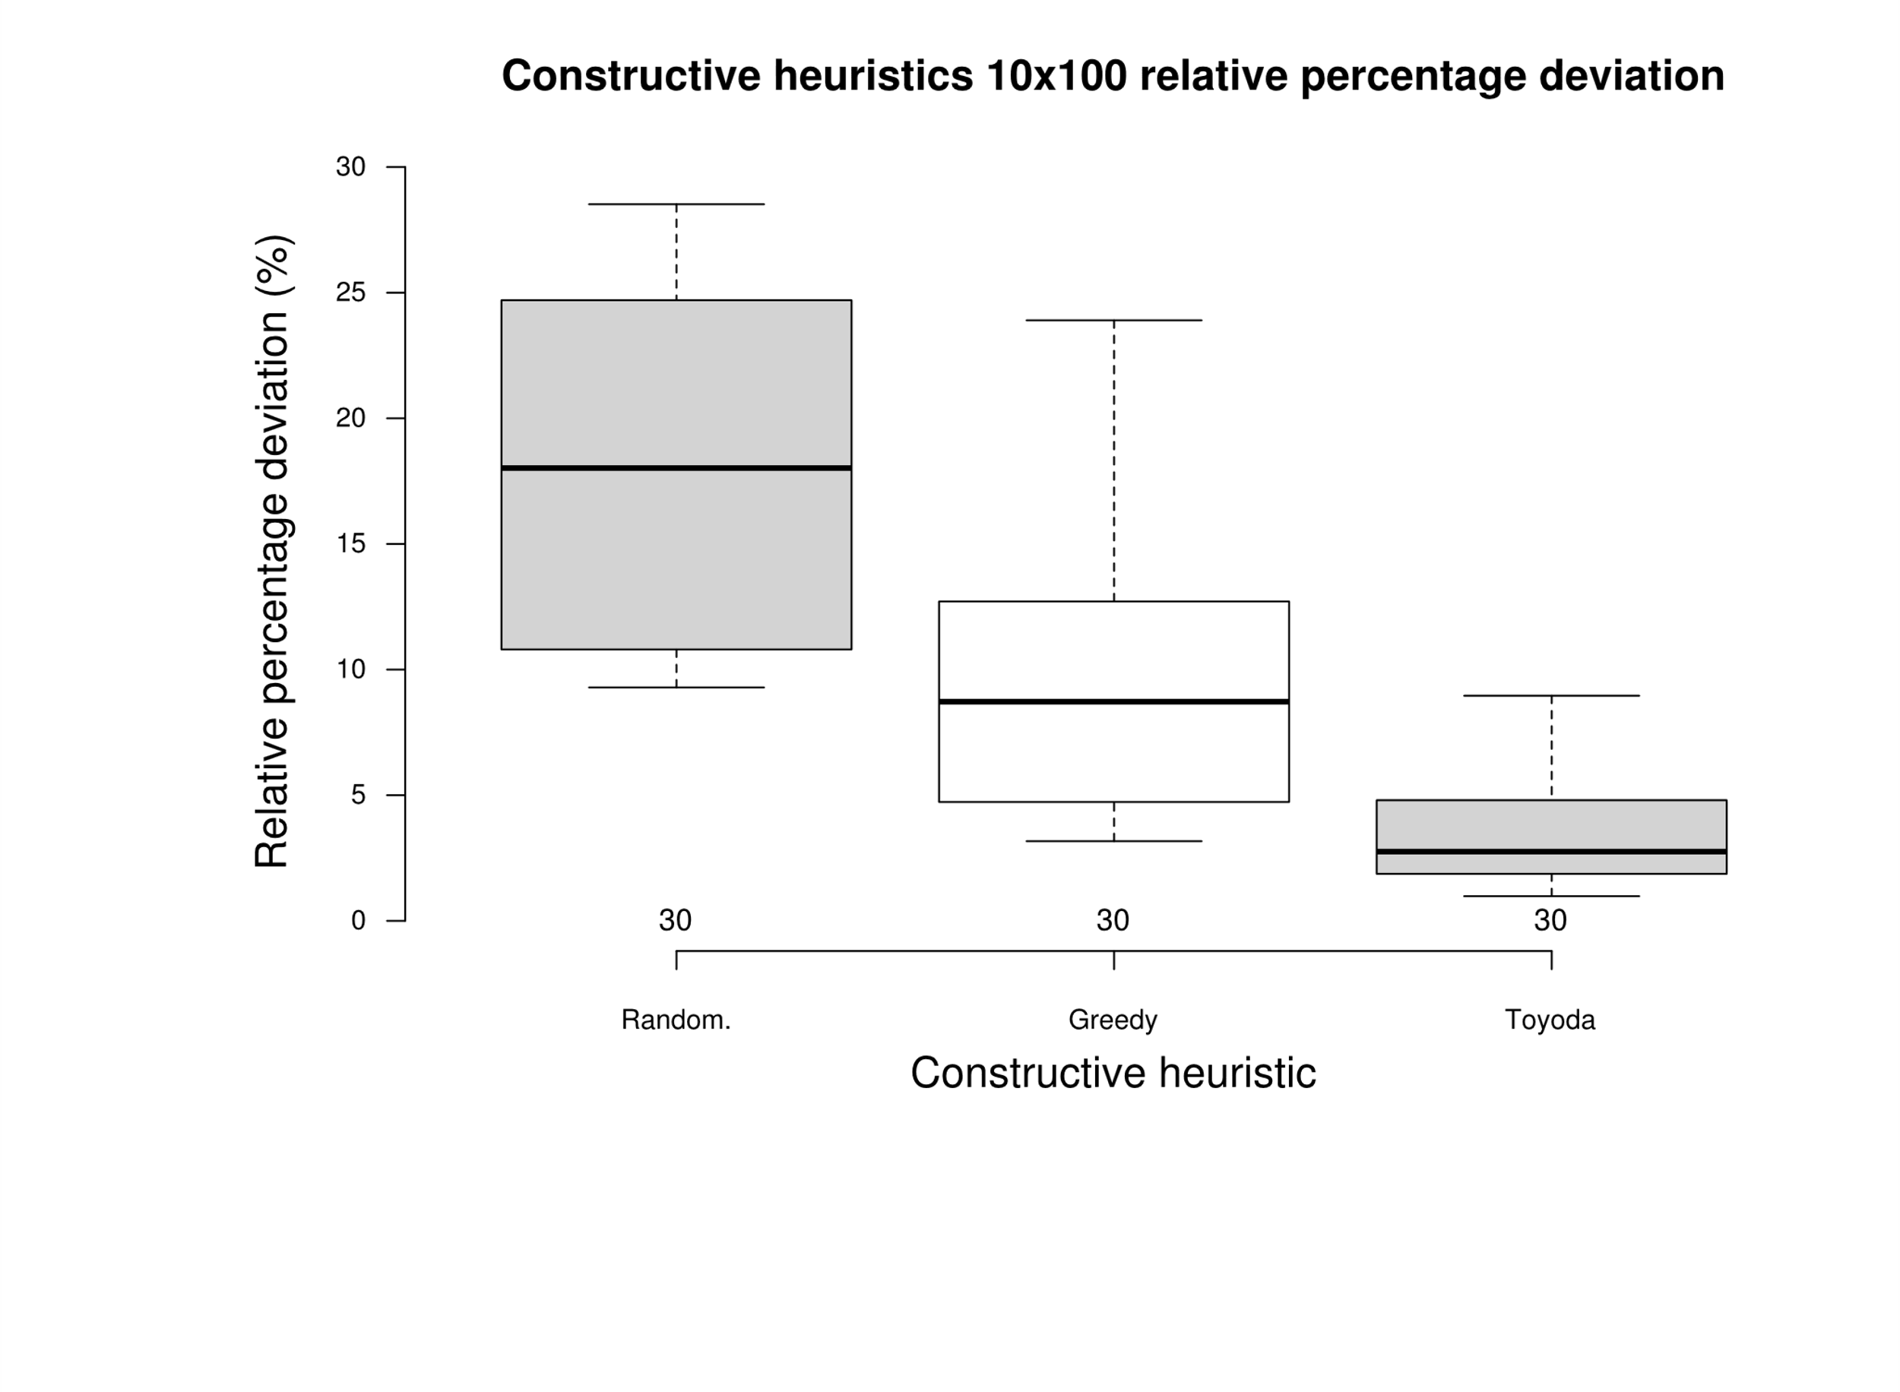
 |  |  |  |  |  |  |  |  |  | greedy | 4.73 | greedy | 0.0346
 |  |  |  |  |  |  |  |  |  | greedy | 5.37 | greedy | 0.0347
 |  |  |  |  |  |  |  |  |  | greedy | 4.40 | greedy | 0.0346
 |  |  |  |  |  |  |  |  |  | greedy | 3.65 | greedy | 0.0349
 |  |  |  |  |  |  |  |  |  | greedy | 3.38 | greedy | 0.0347
 |  |  |  |  |  |  |  |  |  | greedy | 4.57 | greedy | 0.0348 |  |  |  |  |  |  | P value adjustment method: bonferroni
 |  |  |  |  |  |  |  |  |  | greedy | 4.63 | greedy | 0.0344 |  |  |  |  |  |  |  | greedy | random
 |  |  |  |  |  |  |  |  |  | greedy | 6.01 | greedy | 0.0349 |  |  |  |  |  |  | random | 8.50E-07 | -
 |  |  |  |  |  |  |  |  |  | greedy | 4.53 | greedy | 0.0345 |  |  |  |  |  |  | greedy | 1.20E-07 | 2.00E-16
 |  |  |  |  |  |  |  |  |  | greedy | 3.17 | greedy | 0.0356
 |  |  |  |  |  |  |  |  |  | toyoda | 4.80 | toyoda | 1.3686
 |  |  |  |  |  |  |  |  |  | toyoda | 6.12 | toyoda | 1.0461
 |  |  |  |  |  |  |  |  |  | toyoda | 7.62 | toyoda | 0.6714
 |  |  |  |  |  |  |  |  |  | toyoda | 8.96 | toyoda | 0.4192
 |  |  |  |  |  |  |  |  |  | toyoda | 8.28 | toyoda | 0.4584
 |  |  |  |  |  |  |  |  |  | toyoda | 3.41 | toyoda | 0.4244
 |  |  |  |  |  |  |  |  |  | toyoda | 6.39 | toyoda | 0.4183
 |  |  |  |  |  |  |  |  |  | toyoda | 6.07 | toyoda | 0.4222
 |  |  |  |  |  |  |  |  |  | toyoda | 5.85 | toyoda | 0.5345
 |  |  |  |  |  |  |  |  |  | toyoda | 2.92 | toyoda | 0.4363
 |  |  |  |  |  |  |  |  |  | toyoda | 2.74 | toyoda | 0.5445
 |  |  |  |  |  |  |  |  |  | toyoda | 2.77 | toyoda | 0.6018
 |  |  |  |  |  |  |  |  |  | toyoda | 1.80 | toyoda | 0.4765
 |  |  |  |  |  |  |  |  |  | toyoda | 4.21 | toyoda | 0.5709
 |  |  |  |  |  |  |  |  |  | toyoda | 2.40 | toyoda | 0.4661
 |  |  |  |  |  |  |  |  |  | toyoda | 2.70 | toyoda | 0.4740
 |  |  |  |  |  |  |  |  |  | toyoda | 1.51 | toyoda | 0.4519
 |  |  |  |  |  |  |  |  |  | toyoda | 3.35 | toyoda | 0.4365
 |  |  |  |  |  |  |  |  |  | toyoda | 1.47 | toyoda | 0.4445
 |  |  |  |  |  |  |  |  |  | toyoda | 2.85 | toyoda | 0.4218
 |  |  |  |  |  |  |  |  |  | toyoda | 1.87 | toyoda | 0.6244
 |  |  |  |  |  |  |  |  |  | toyoda | 2.44 | toyoda | 0.5616
 |  |  |  |  |  |  |  |  |  | toyoda | 2.00 | toyoda | 0.4583
 |  |  |  |  |  |  |  |  |  | toyoda | 4.41 | toyoda | 0.4555
 |  |  |  |  |  |  |  |  |  | toyoda | 0.98 | toyoda | 0.4497
 |  |  |  |  |  |  |  |  |  | toyoda | 1.41 | toyoda | 0.4469
 |  |  |  |  |  |  |  |  |  | toyoda | 1.61 | toyoda | 0.4569
 |  |  |  |  |  |  |  |  |  | toyoda | 1.46 | toyoda | 0.4532
 |  |  |  |  |  |  |  |  |  | toyoda | 2.01 | toyoda | 0.4399
 |  |  |  |  |  |  |  |  |  | toyoda | 2.28 | toyoda | 0.4542

10x250
 | Random |  | Greedy |  | Toyoda |  |  | t (ms) avg | Δ avg | Deviation |  | Time |  | Time |  |  | Deviation
Instance | t (ms) | Δ avg | t (ms) | Δ | t (ms) | Δ | Random | 0.0748 | 17.57 | random | 24.72 | random | 0.0739 | Random | Greedy | Toyoda | Random | Greedy | Toyoda
OR10x250-0.25_1 | 0.0739 | 24.72 | 0.0963 | 14.25 | 1.1509 | 3.56 | Greedy | 0.0959 | 7.97 | random | 25.77 | random | 0.0737 | 0.0739 | 0.0963 | 1.1509 | 24.72 | 14.25 | 3.56
OR10x250-0.25_2 | 0.0737 | 25.77 | 0.0961 | 10.96 | 1.1420 | 2.76 | Toyoda | 1.2392 | 2.67 | random | 26.37 | random | 0.0738 | 0.0737 | 0.0961 | 1.1420 | 25.77 | 10.96 | 2.76
OR10x250-0.25_3 | 0.0738 | 26.37 | 0.1059 | 17.06 | 1.1559 | 4.24 |  |  |  | random | 25.54 | random | 0.0739 | 0.0738 | 0.1059 | 1.1559 | 26.37 | 17.06 | 4.24
OR10x250-0.25_4 | 0.0739 | 25.54 | 0.0959 | 11.77 | 1.1628 | 2.24 |  |  |  | random | 25.58 | random | 0.0739 | 0.0739 | 0.0959 | 1.1628 | 25.54 | 11.77 | 2.24
OR10x250-0.25_5 | 0.0739 | 25.58 | 0.0971 | 13.41 | 1.1553 | 6.32 |  |  |  | random | 24.96 | random | 0.0740 | 0.0739 | 0.0971 | 1.1553 | 25.58 | 13.41 | 6.32
OR10x250-0.25_6 | 0.0740 | 24.96 | 0.0960 | 11.52 | 1.1608 | 5.76 |  |  |  | random | 24.48 | random | 0.0740 | 0.0740 | 0.0960 | 1.1608 | 24.96 | 11.52 | 5.76
OR10x250-0.25_7 | 0.0740 | 24.48 | 0.0959 | 12.57 | 1.1652 | 3.69 |  |  |  | random | 26.48 | random | 0.0740 | 0.0740 | 0.0959 | 1.1652 | 24.48 | 12.57 | 3.69
OR10x250-0.25_8 | 0.0740 | 26.48 | 0.0967 | 17.26 | 1.1569 | 4.21 |  |  |  | random | 27.39 | random | 0.0742 | 0.0740 | 0.0967 | 1.1569 | 26.48 | 17.26 | 4.21
OR10x250-0.25_9 | 0.0742 | 27.39 | 0.0954 | 11.82 | 1.1514 | 3.96 |  |  |  | random | 25.44 | random | 0.0741 | 0.0742 | 0.0954 | 1.1514 | 27.39 | 11.82 | 3.96
OR10x250-0.25_10 | 0.0741 | 25.44 | 0.0950 | 14.78 | 1.1838 | 2.39 |  |  |  | random | 16.38 | random | 0.0743 | 0.0741 | 0.0950 | 1.1838 | 25.44 | 14.78 | 2.39
OR10x250-0.50_1 | 0.0743 | 16.38 | 0.0972 | 6.84 | 1.2313 | 3.06 |  |  |  | random | 17.13 | random | 0.0754 | 0.0743 | 0.0972 | 1.2313 | 16.38 | 6.84 | 3.06
OR10x250-0.50_2 | 0.0754 | 17.13 | 0.0961 | 5.54 | 1.2473 | 3.06 |  |  |  | random | 17.56 | random | 0.0746 | 0.0754 | 0.0961 | 1.2473 | 17.13 | 5.54 | 3.06
OR10x250-0.50_3 | 0.0746 | 17.56 | 0.0965 | 7.09 | 1.2404 | 1.83 |  |  |  | random | 16.87 | random | 0.0746 | 0.0746 | 0.0965 | 1.2404 | 17.56 | 7.09 | 1.83
OR10x250-0.50_4 | 0.0746 | 16.87 | 0.0956 | 9.79 | 1.2435 | 4.88 |  |  |  | random | 16.32 | random | 0.0744 | 0.0746 | 0.0956 | 1.2435 | 16.87 | 9.79 | 4.88
OR10x250-0.50_5 | 0.0744 | 16.32 | 0.0948 | 6.22 | 1.2384 | 2.30 |  |  |  | random | 17.68 | random | 0.0745 | 0.0744 | 0.0948 | 1.2384 | 16.32 | 6.22 | 2.30
OR10x250-0.50_6 | 0.0745 | 17.68 | 0.0959 | 8.80 | 1.2561 | 3.51 |  |  |  | random | 18.32 | random | 0.0747 | 0.0745 | 0.0959 | 1.2561 | 17.68 | 8.80 | 3.51
OR10x250-0.50_7 | 0.0747 | 18.32 | 0.0947 | 6.98 | 1.2436 | 2.16 |  |  |  | random | 17.53 | random | 0.0747 | 0.0747 | 0.0947 | 1.2436 | 18.32 | 6.98 | 2.16
OR10x250-0.50_8 | 0.0747 | 17.53 | 0.0943 | 6.76 | 1.2364 | 2.68 |  |  |  | random | 17.61 | random | 0.0755 | 0.0747 | 0.0943 | 1.2364 | 17.53 | 6.76 | 2.68
OR10x250-0.50_9 | 0.0755 | 17.61 | 0.0955 | 7.09 | 1.3543 | 3.38 |  |  |  | random | 17.66 | random | 0.0757 | 0.0755 | 0.0955 | 1.3543 | 17.61 | 7.09 | 3.38
OR10x250-0.50_10 | 0.0757 | 17.66 | 0.0958 | 5.99 | 1.2434 | 2.45 |  |  |  | random | 9.43 | random | 0.0751 | 0.0757 | 0.0958 | 1.2434 | 17.66 | 5.99 | 2.45
OR10x250-0.75_1 | 0.0751 | 9.43 | 0.0944 | 3.48 | 1.3054 | 0.99 |  |  |  | random | 10.01 | random | 0.0751 | 0.0751 | 0.0944 | 1.3054 | 9.43 | 3.48 | 0.99
OR10x250-0.75_2 | 0.0751 | 10.01 | 0.0950 | 3.68 | 1.3083 | 1.58 |  |  |  | random | 9.70 | random | 0.0751 | 0.0751 | 0.0950 | 1.3083 | 10.01 | 3.68 | 1.58
OR10x250-0.75_3 | 0.0751 | 9.70 | 0.0958 | 3.53 | 1.2796 | 1.48 |  |  |  | random | 9.90 | random | 0.0750 | 0.0751 | 0.0958 | 1.2796 | 9.70 | 3.53 | 1.48
OR10x250-0.75_4 | 0.0750 | 9.90 | 0.0942 | 4.12 | 1.3022 | 1.09 |  |  |  | random | 9.80 | random | 0.0754 | 0.0750 | 0.0942 | 1.3022 | 9.90 | 4.12 | 1.09
OR10x250-0.75_5 | 0.0754 | 9.80 | 0.0959 | 3.41 | 1.3059 | 1.44 |  |  |  | random | 9.71 | random | 0.0759 | 0.0754 | 0.0959 | 1.3059 | 9.80 | 3.41 | 1.44
OR10x250-0.75_6 | 0.0759 | 9.71 | 0.0955 | 2.96 | 1.3130 | 0.70 |  |  |  | random | 9.44 | random | 0.0756 | 0.0759 | 0.0955 | 1.3130 | 9.71 | 2.96 | 0.70
OR10x250-0.75_7 | 0.0756 | 9.44 | 0.0952 | 3.08 | 1.3045 | 1.12 |  |  |  | random | 9.63 | random | 0.0765 | 0.0756 | 0.0952 | 1.3045 | 9.44 | 3.08 | 1.12
OR10x250-0.75_8 | 0.0765 | 9.63 | 0.0942 | 3.15 | 1.3107 | 1.44 |  |  |  | random | 9.89 | random | 0.0758 | 0.0765 | 0.0942 | 1.3107 | 9.63 | 3.15 | 1.44
OR10x250-0.75_9 | 0.0758 | 9.89 | 0.0943 | 2.82 | 1.2932 | 0.84 |  |  |  | random | 9.86 | random | 0.0762 | 0.0758 | 0.0943 | 1.2932 | 9.89 | 2.82 | 0.84
OR10x250-0.75_10 | 0.0762 | 9.86 | 0.0961 | 2.28 | 1.3331 | 1.11 |  |  |  | greedy | 14.25 | greedy | 0.0963 | 0.0762 | 0.0961 | 1.3331 | 9.86 | 2.28 | 1.11
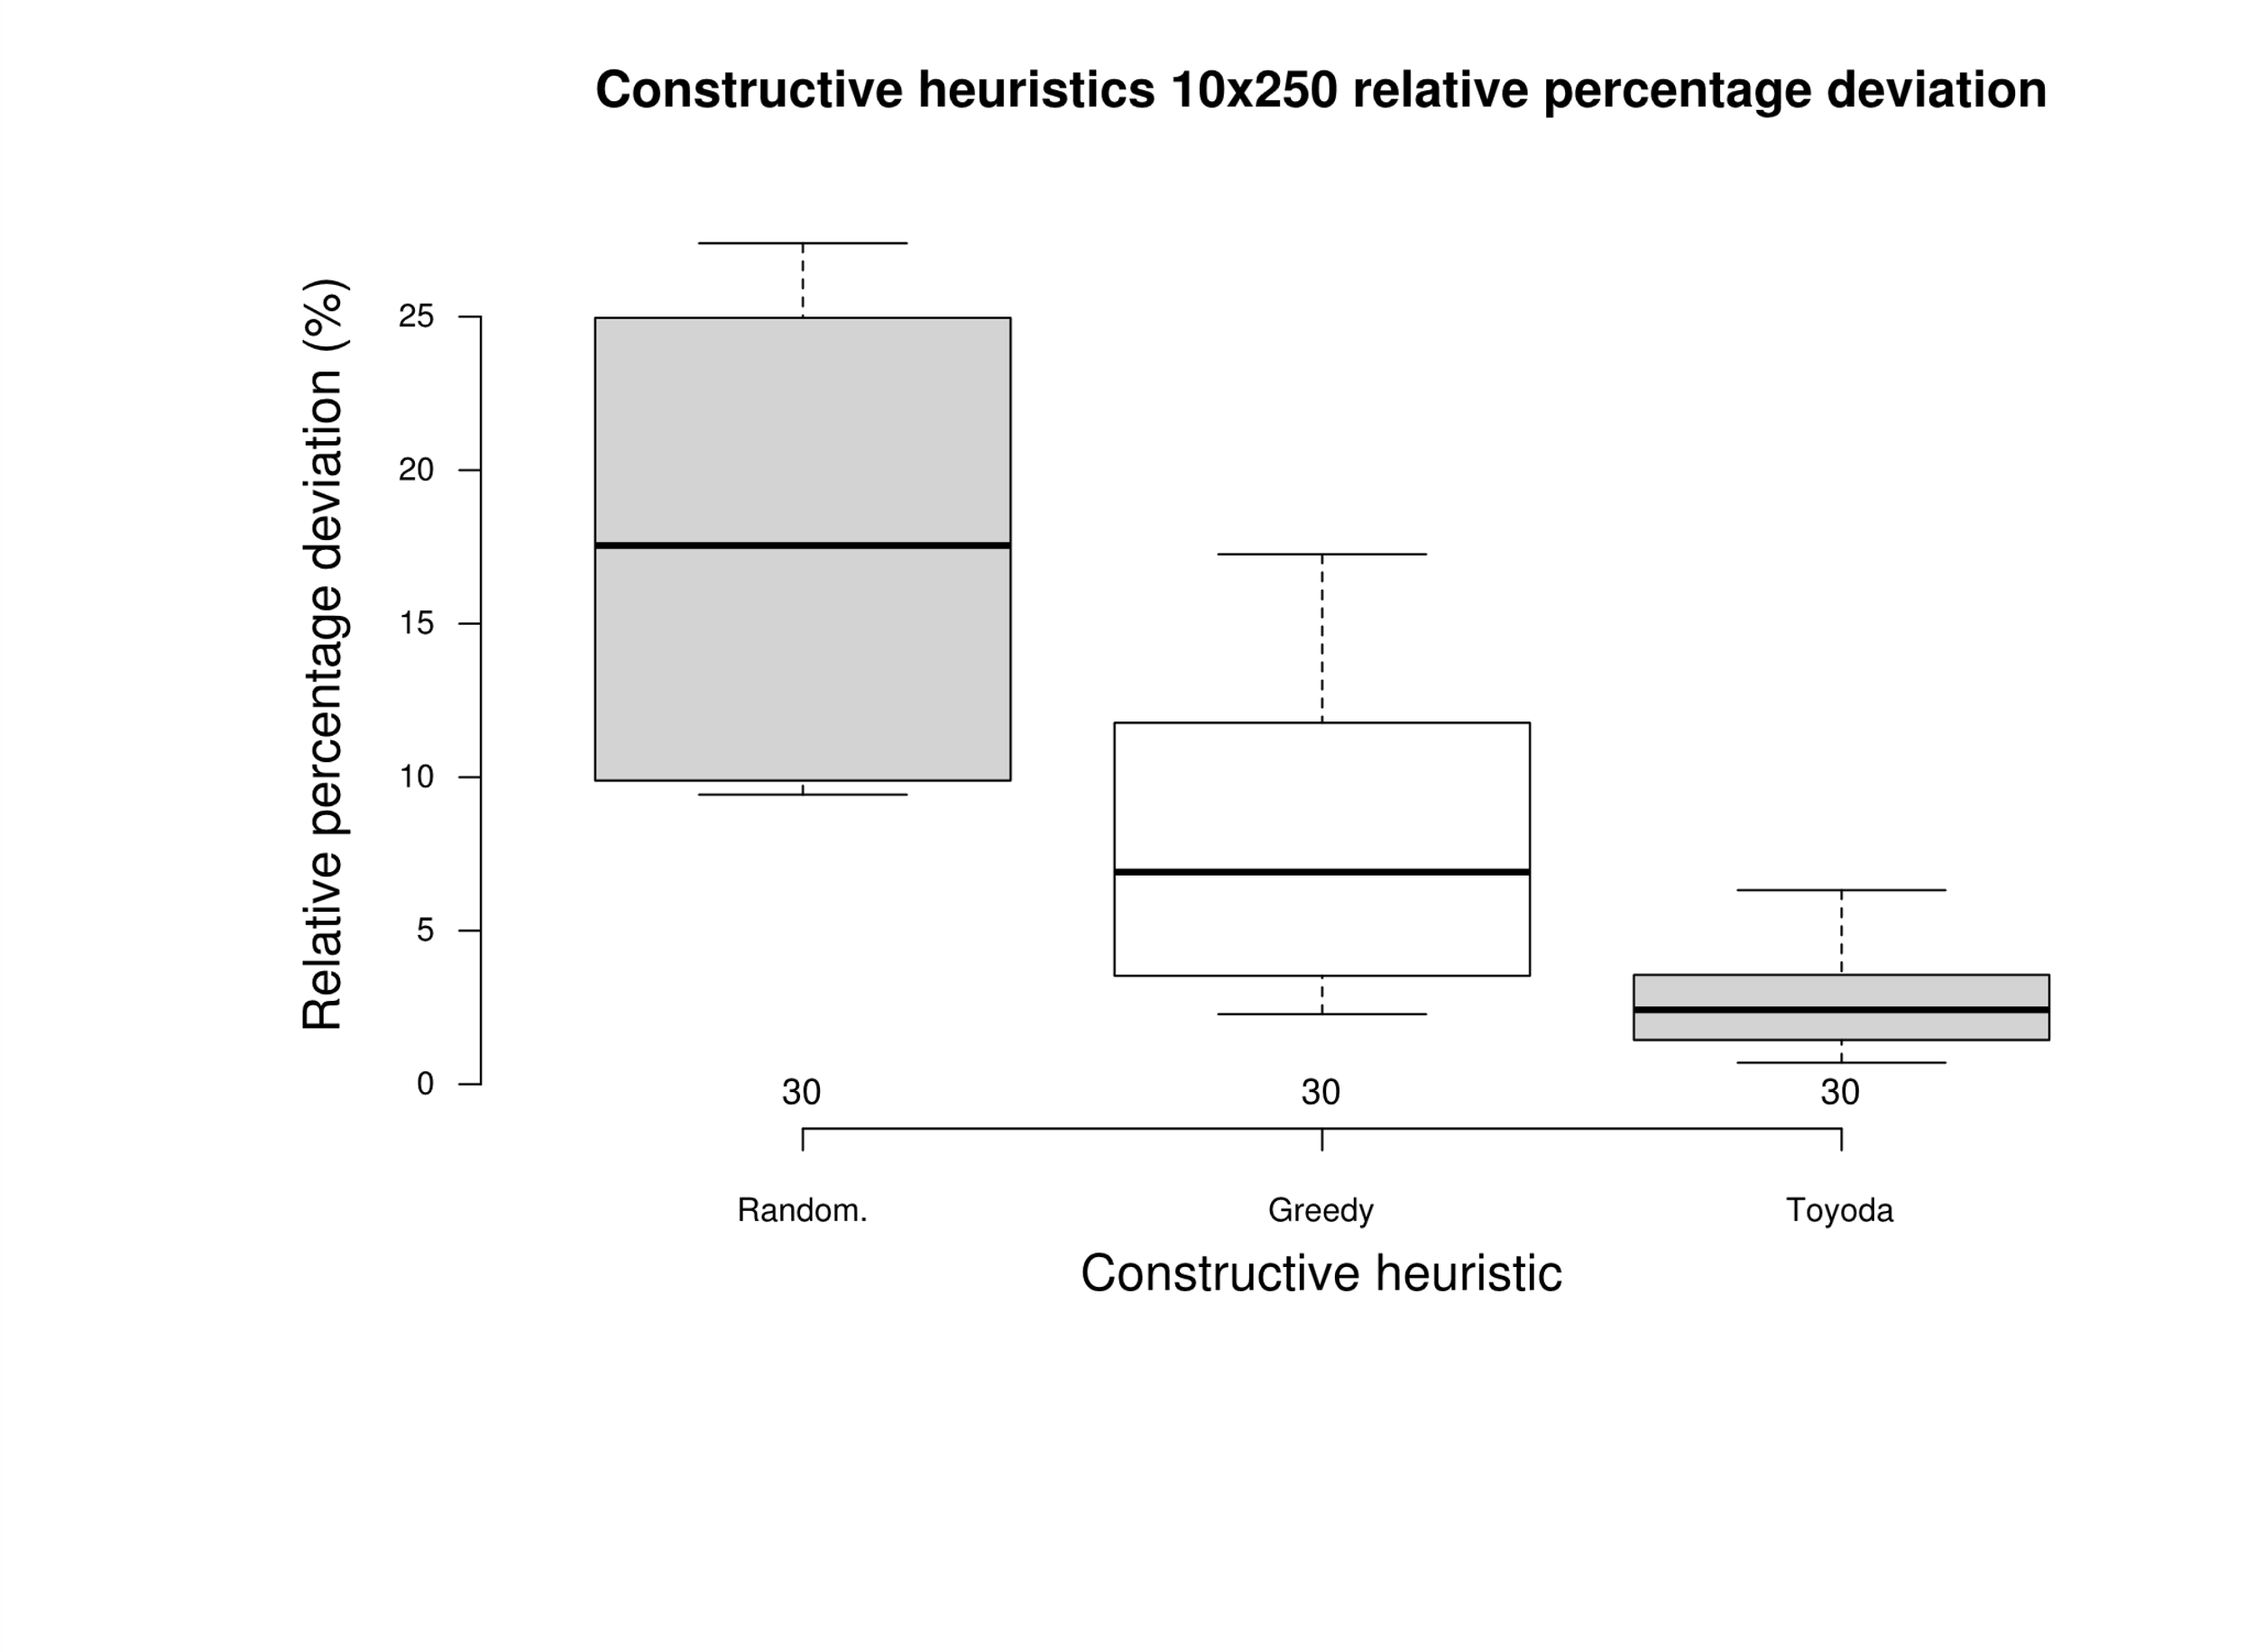
 |  |  |  |  |  |  |  |  |  | greedy | 10.96 | greedy | 0.0961
 |  |  |  |  |  |  |  |  |  | greedy | 17.06 | greedy | 0.1059
 |  |  |  |  |  |  |  |  |  | greedy | 11.77 | greedy | 0.0959
 |  |  |  |  |  |  |  |  |  | greedy | 13.41 | greedy | 0.0971
 |  |  |  |  |  |  |  |  |  | greedy | 11.52 | greedy | 0.0960
 |  |  |  |  |  |  |  |  |  | greedy | 12.57 | greedy | 0.0959
 |  |  |  |  |  |  |  |  |  | greedy | 17.26 | greedy | 0.0967
 |  |  |  |  |  |  |  |  |  | greedy | 11.82 | greedy | 0.0954 |  |  |  |  |  |  |  | greedy | random
 |  |  |  |  |  |  |  |  |  | greedy | 14.78 | greedy | 0.0950 |  |  |  |  |  |  | random | 1.80E-06 | -
 |  |  |  |  |  |  |  |  |  | greedy | 6.84 | greedy | 0.0972 |  |  |  |  |  |  | toyoda | 9.00E-07 | 9.00E-11
 |  |  |  |  |  |  |  |  |  | greedy | 5.54 | greedy | 0.0961
 |  |  |  |  |  |  |  |  |  | greedy | 7.09 | greedy | 0.0965
 |  |  |  |  |  |  |  |  |  | greedy | 9.79 | greedy | 0.0956
 |  |  |  |  |  |  |  |  |  | greedy | 6.22 | greedy | 0.0948
 |  |  |  |  |  |  |  |  |  | greedy | 8.80 | greedy | 0.0959
 |  |  |  |  |  |  |  |  |  | greedy | 6.98 | greedy | 0.0947
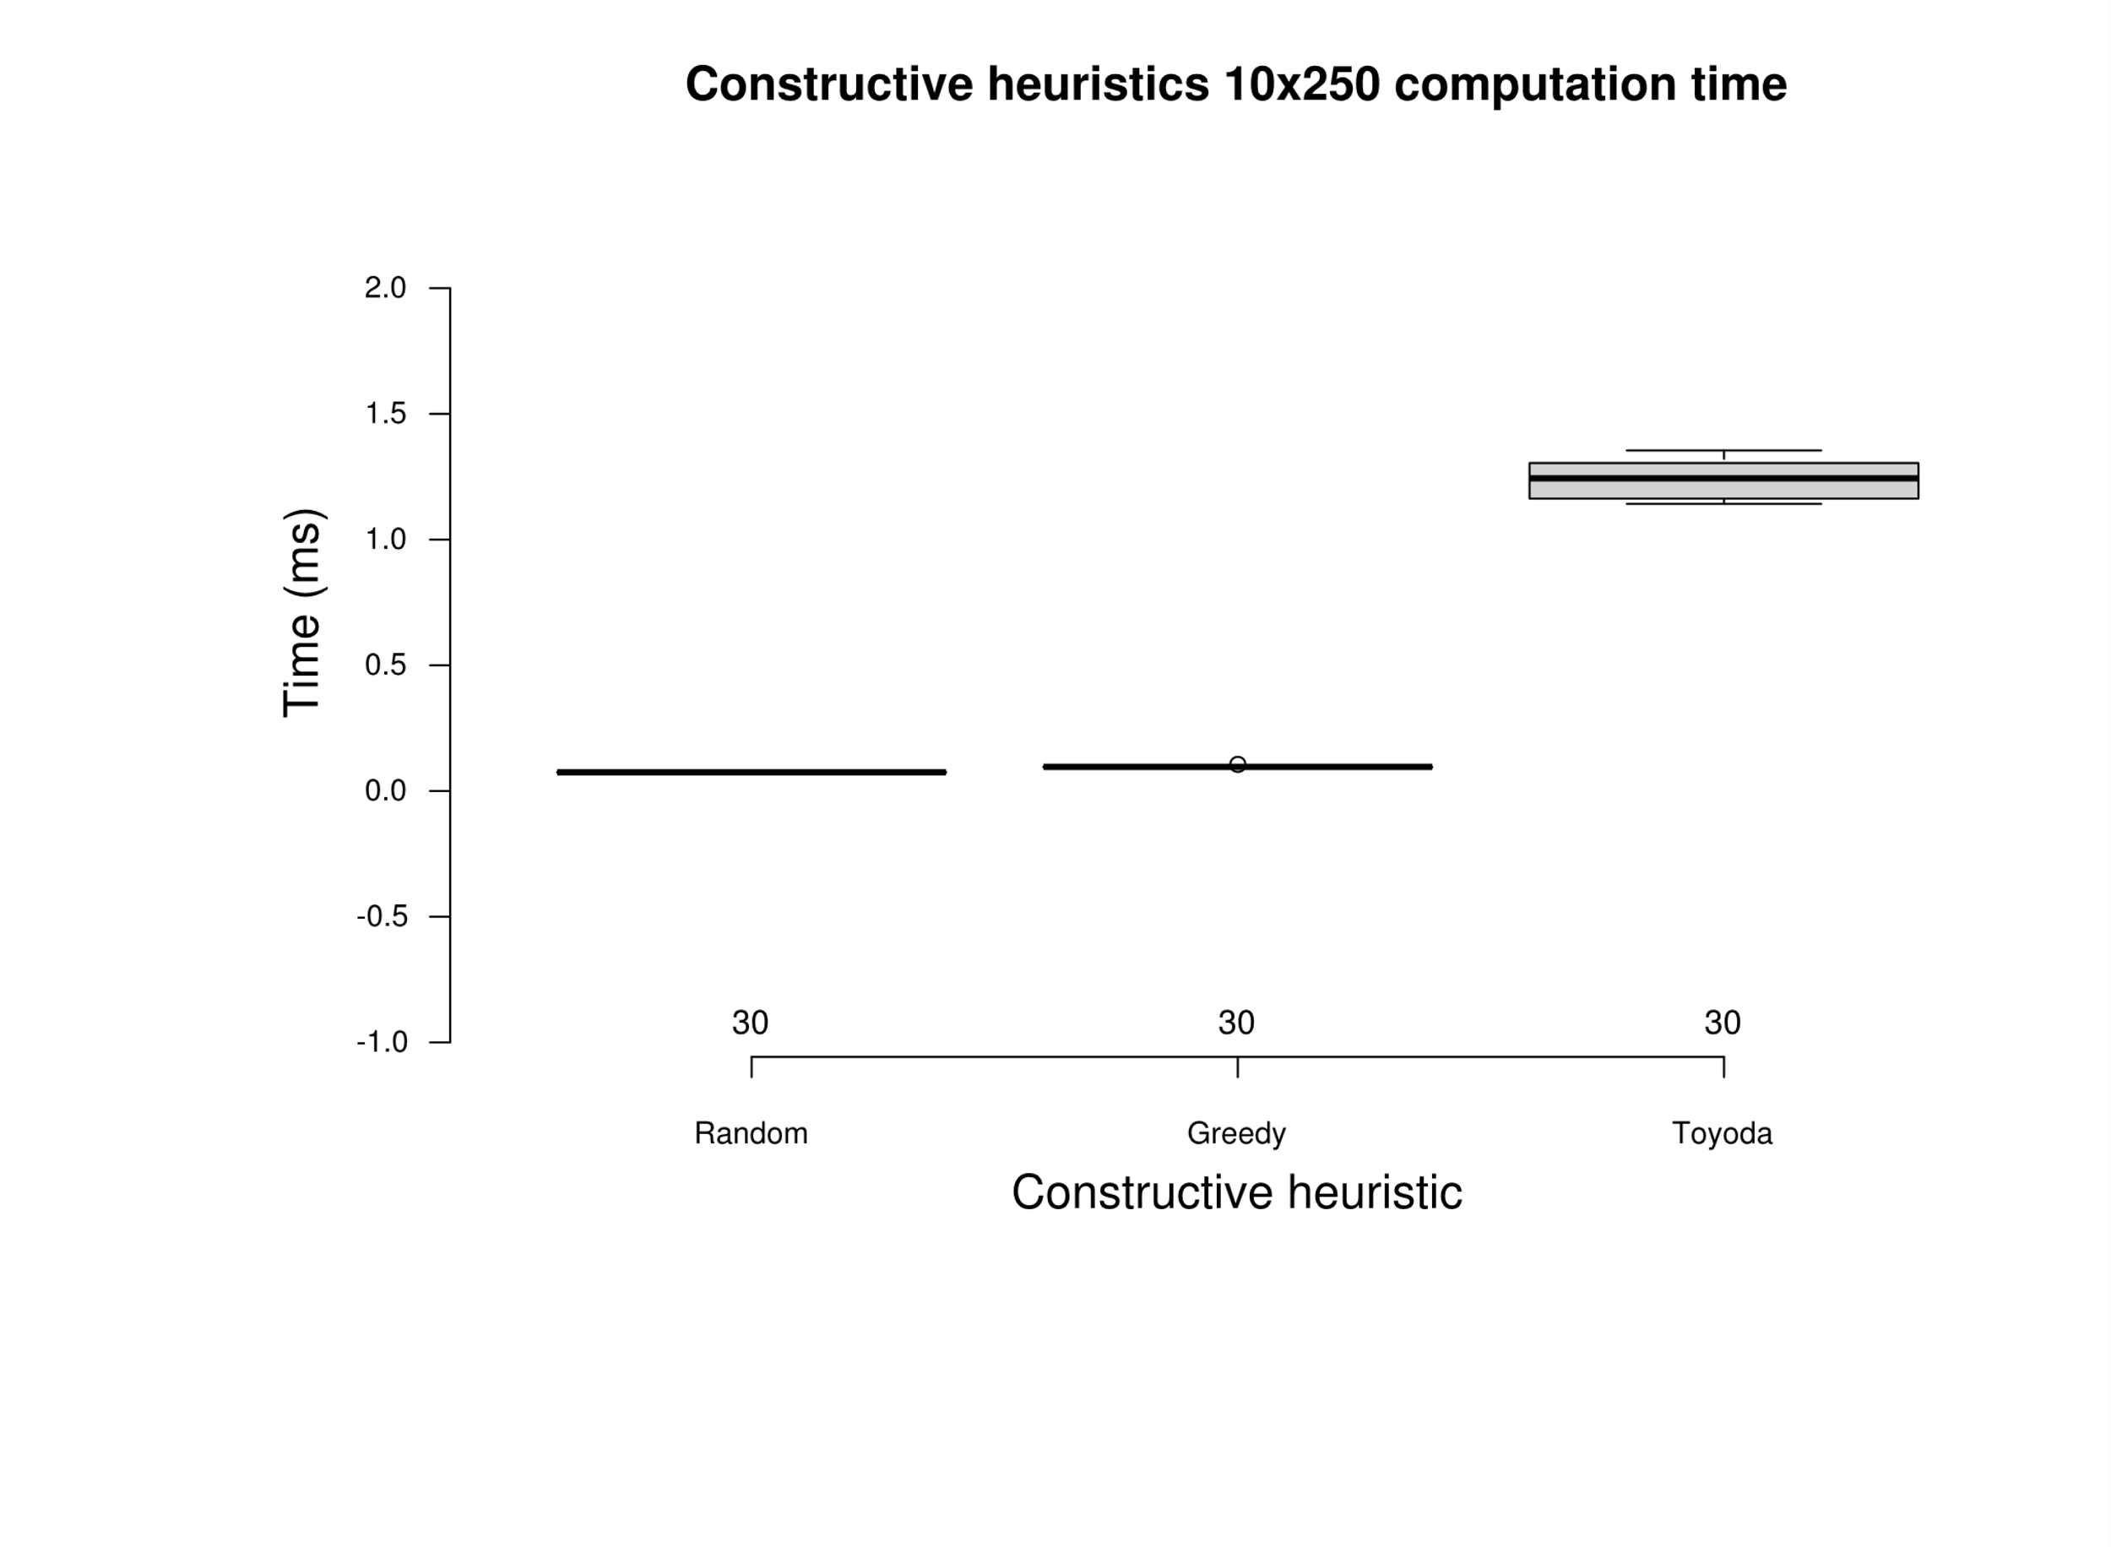
 |  |  |  |  |  |  |  |  |  | greedy | 6.76 | greedy | 0.0943
 |  |  |  |  |  |  |  |  |  | greedy | 7.09 | greedy | 0.0955
 |  |  |  |  |  |  |  |  |  | greedy | 5.99 | greedy | 0.0958 |  |  |  |  |  |  |  | greedy | random
 |  |  |  |  |  |  |  |  |  | greedy | 3.48 | greedy | 0.0944 |  |  |  |  |  |  | random | 8.90E-11 | -
 |  |  |  |  |  |  |  |  |  | greedy | 3.68 | greedy | 0.0950 |  |  |  |  |  |  | toyoda | 9.00E-11 | 9.00E-11
 |  |  |  |  |  |  |  |  |  | greedy | 3.53 | greedy | 0.0958
 |  |  |  |  |  |  |  |  |  | greedy | 4.12 | greedy | 0.0942
 |  |  |  |  |  |  |  |  |  | greedy | 3.41 | greedy | 0.0959
 |  |  |  |  |  |  |  |  |  | greedy | 2.96 | greedy | 0.0955
 |  |  |  |  |  |  |  |  |  | greedy | 3.08 | greedy | 0.0952
 |  |  |  |  |  |  |  |  |  | greedy | 3.15 | greedy | 0.0942
 |  |  |  |  |  |  |  |  |  | greedy | 2.82 | greedy | 0.0943
 |  |  |  |  |  |  |  |  |  | greedy | 2.28 | greedy | 0.0961
 |  |  |  |  |  |  |  |  |  | toyoda | 3.56 | toyoda | 1.1509
 |  |  |  |  |  |  |  |  |  | toyoda | 2.76 | toyoda | 1.1420
 |  |  |  |  |  |  |  |  |  | toyoda | 4.24 | toyoda | 1.1559
 |  |  |  |  |  |  |  |  |  | toyoda | 2.24 | toyoda | 1.1628
 |  |  |  |  |  |  |  |  |  | toyoda | 6.32 | toyoda | 1.1553
 |  |  |  |  |  |  |  |  |  | toyoda | 5.76 | toyoda | 1.1608
 |  |  |  |  |  |  |  |  |  | toyoda | 3.69 | toyoda | 1.1652
 |  |  |  |  |  |  |  |  |  | toyoda | 4.21 | toyoda | 1.1569
 |  |  |  |  |  |  |  |  |  | toyoda | 3.96 | toyoda | 1.1514
 |  |  |  |  |  |  |  |  |  | toyoda | 2.39 | toyoda | 1.1838
 |  |  |  |  |  |  |  |  |  | toyoda | 3.06 | toyoda | 1.2313
 |  |  |  |  |  |  |  |  |  | toyoda | 3.06 | toyoda | 1.2473
 |  |  |  |  |  |  |  |  |  | toyoda | 1.83 | toyoda | 1.2404
 |  |  |  |  |  |  |  |  |  | toyoda | 4.88 | toyoda | 1.2435
 |  |  |  |  |  |  |  |  |  | toyoda | 2.30 | toyoda | 1.2384
 |  |  |  |  |  |  |  |  |  | toyoda | 3.51 | toyoda | 1.2561
 |  |  |  |  |  |  |  |  |  | toyoda | 2.16 | toyoda | 1.2436
 |  |  |  |  |  |  |  |  |  | toyoda | 2.68 | toyoda | 1.2364
 |  |  |  |  |  |  |  |  |  | toyoda | 3.38 | toyoda | 1.3543
 |  |  |  |  |  |  |  |  |  | toyoda | 2.45 | toyoda | 1.2434
 |  |  |  |  |  |  |  |  |  | toyoda | 0.99 | toyoda | 1.3054
 |  |  |  |  |  |  |  |  |  | toyoda | 1.58 | toyoda | 1.3083
 |  |  |  |  |  |  |  |  |  | toyoda | 1.48 | toyoda | 1.2796
 |  |  |  |  |  |  |  |  |  | toyoda | 1.09 | toyoda | 1.3022
 |  |  |  |  |  |  |  |  |  | toyoda | 1.44 | toyoda | 1.3059
 |  |  |  |  |  |  |  |  |  | toyoda | 0.70 | toyoda | 1.3130
 |  |  |  |  |  |  |  |  |  | toyoda | 1.12 | toyoda | 1.3045
 |  |  |  |  |  |  |  |  |  | toyoda | 1.44 | toyoda | 1.3107
 |  |  |  |  |  |  |  |  |  | toyoda | 0.84 | toyoda | 1.2932
 |  |  |  |  |  |  |  |  |  | toyoda | 1.11 | toyoda | 1.3331

